050620
R
 |  | mallayalam

SAS
Julia
tamil

 |  |  |  |  | telugu

Python

 |  | kannada

 | Age |  |  |  |  |  | Median Q2 |  |  |  |  | Exploratory Data Analysis
 | 16 |  |  | Lowest ------…...........................................................................................> Highest
 | 18
 | 18 |  |  |  |  | 25th Percentile |  | 75th Percentile |  |  |  |  |  |  |  |  | 23
 | 18 |  |  |  |  |  |  |  |  |  |  |  |  |  |  |  | 19
 | 19 |  |  |  |  |  |  |  |  |  |  |  |  |  |  |  | 17
 | 20
 | 20
 | 21
 | 25
 | 25
 | 28
 | 29 |  |  |  |  |  |  |  |  |  |  |  |  | CTCs of Data Scientists having approx 5 years of exp
 | 30 |  |  |  |  |  |  |  | 37 |  |  |  |  | build your understanding about above
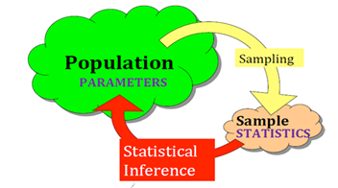
 | 30 |  |  |  |  |  |  |  | 37.77 |  |  |  |  | INDIA
 | 30 |  |  |  |  |  |  |  |  |  |  |  |  | 1 lac | data points |  | 18 l/a
 | 32 |  |  |  |  |  |  |  | 31 |  | Placement Details
 | 35
 | 36 |  |  |  |  |  |  |  |  |  | Convocation ….Director
 | 38 |  |  |  |  |  |  |  |  | 60 |  |  |  | 12 lacs/annum
 | 40 |  |  |  |  |  |  |  |  |  |  |  |  | 7
 | 40 |  |  |  |  |  |  |  |  |  |  |  |  | 3.5
 | 45 |  |  |  |  |  |  |  |  |  |  |  | 15 | not placed = 0
 | 56
 | 56
 | 58 |  |  |  |  |  |  |  | Data Pts | Values
 | 59 |  | motherlaws |  |  |  |  |  | 1 | 21
 | 65 |  |  |  |  |  |  |  | 2 | 22
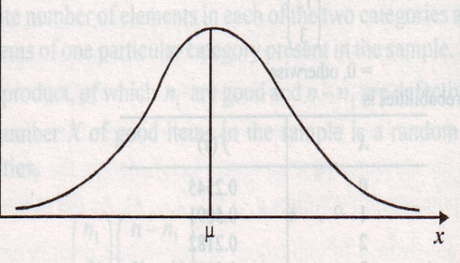
 | 72 |  |  |  |  |  |  |  | 3 | 25
 | 73 |  |  |  |  |  |  |  | 4 | 27 |  |  |  |  |  | 12
 | 81 |  |  |  |  |  |  |  | 5 | 45 |  | extreemly large |  |  | 21 | 21
 |  |  |  |  |  |  |  |  |  |  |  |  |  |  | 22 | 22
 |  |  |  |  |  |  |  |  |  | Enemy no 1 |  |  |  |  | 25 | 25
 |  |  |  |  |  |  |  |  |  | North Korea |  | US/SK |  |  | 27 | 27
 |  |  |  |  |  |  |  |  |  | Israel |  | Palest |  |  |  | 45
 |  |  |  |  |  |  |  |  |  | Pakis |  | India |  |  | 23.75 | 25.333333333
 |  |  |  |  |  |  |  |  |  | China |  | the whole world
 |  |  |  |  |  |  |  |  |  | Japan ----------------> |  | SD
 |  |  |  |  |  |  |  |  |  | Strength
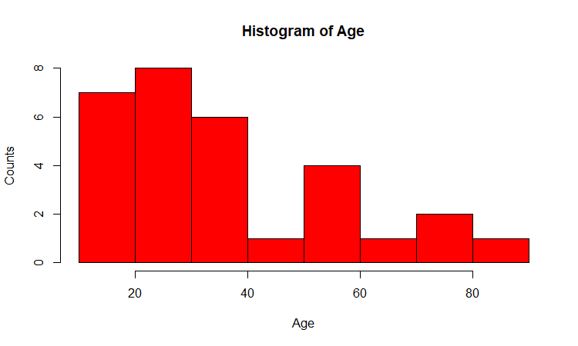
 |  |  |  |  |  |  |  |  |  | QUALITY ---------> |  | consistency --------> DEVIATION

 |  |  |  |  |  |  |  |  |  |  | 0

2 july 2020
Happy Learning!
 |  |  |  | mpg
 |  |  | Mazda RX4 | 21
 |  |  | Mazda RX4 Wag | 21
 |  |  | Datsun 710 | 22.8
 |  |  | Hornet 4 Drive | 21.4
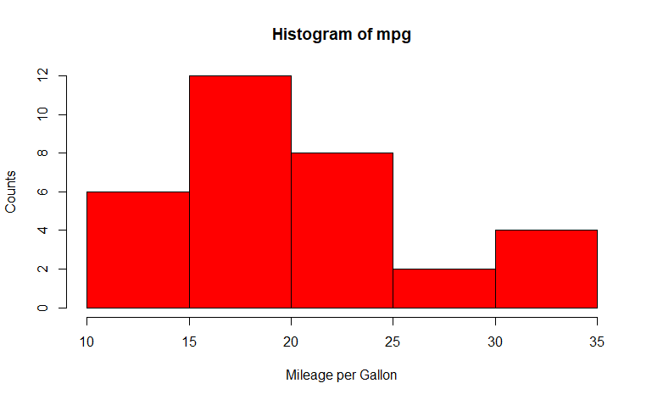
 |  |  | Hornet Sportabout | 18.7
vinodanalytics@gmail.com |  |  | Valiant | 18.1
8971073111 |  |  | Duster 360 | 14.3
 |  |  | Merc 240D | 24.4
 |  |  | Merc 230 | 22.8
 |  |  | Merc 280 | 19.2
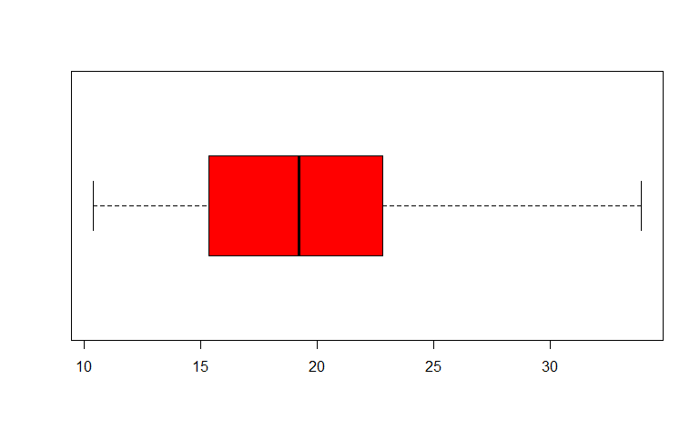
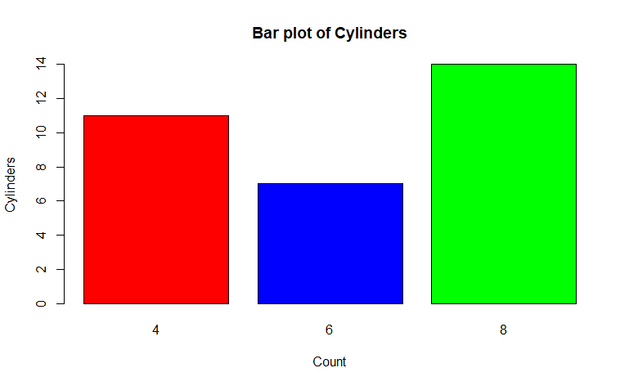
 |  |  | Merc 280C | 17.8
 |  |  | Merc 450SE | 16.4
 |  |  | Merc 450SL | 17.3
 |  |  | Merc 450SLC | 15.2
 |  |  | Cadillac Fleetwood | 10.4
 |  |  | Lincoln Continental | 10.4
 |  |  | Chrysler Imperial | 14.7
 |  |  | Fiat 128 | 32.4
 |  |  | Honda Civic | 30.4
 |  |  | Toyota Corolla | 33.9
 |  |  | Toyota Corona | 21.5
 |  |  | Dodge Challenger | 15.5
 |  |  | AMC Javelin | 15.2
 |  |  | Camaro Z28 | 13.3
 |  |  | Pontiac Firebird | 19.2
 |  |  | Fiat X1-9 | 27.3 |  |  |  | Coeff of correlation
 |  |  | Porsche 914-2 | 26
 |  |  | Lotus Europa | 30.4
 |  |  | Ford Pantera L | 15.8
 |  |  | Ferrari Dino | 19.7
 |  |  | Maserati Bora | 15
 |  |  | Volvo 142E | 21.4

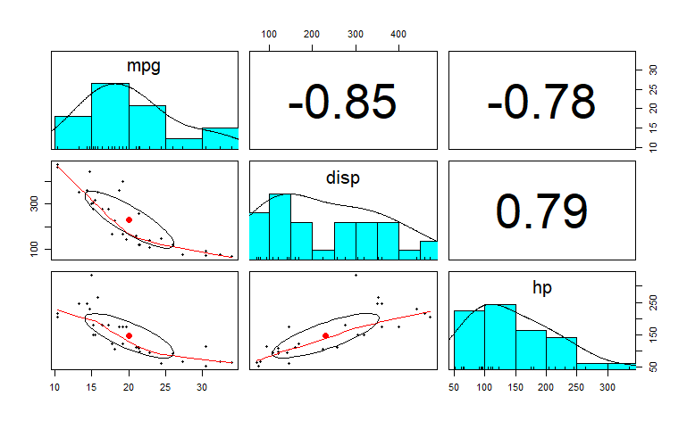

 |  |  |  |  |  |  |  |  |  |  |  | 1 | -1
 |  |  |  |  |  |  |  |  |  | Response V
 |  |  |  |  |  |  |  |  |  | Dep V
 |  |  |  |  |  |  |  |  |  | DISP

 |  |  |  |  |  |  |  |  |  |  |  |  |  | Driver | MPG
 |  |  |  |  |  |  |  |  |  |  |  |  |  | Ind Variable
 |  |  |  |  |  |  |  |  |  |  |  |  |  | Predictor
 |  |  |  |  |  |  |  |  |  | CIRCLE is more elliptical-----> higher the correlation

 |  |  |  |  |  |  |  |  |  |  | pair plots

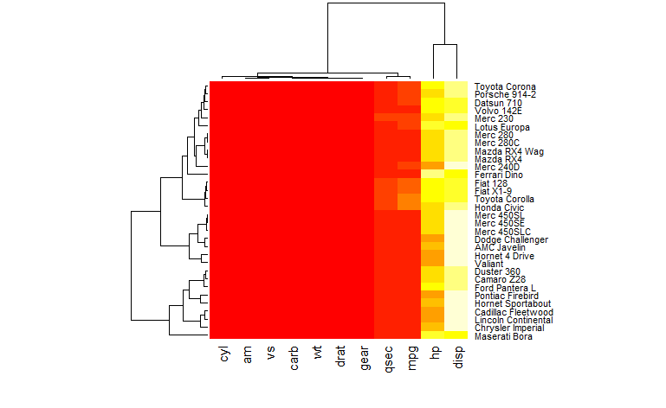

 |  |  |  |  |  |  |  |  |  |  |  |  | dendrogram
 |  |  |  |  |  |  |  |  |  |  |  |  | grouping
 |  |  |  |  |  |  |  |  |  |  |  |  | clustering
 |  |  |  |  |  |  |  |  |  |  |  |  | segmentation

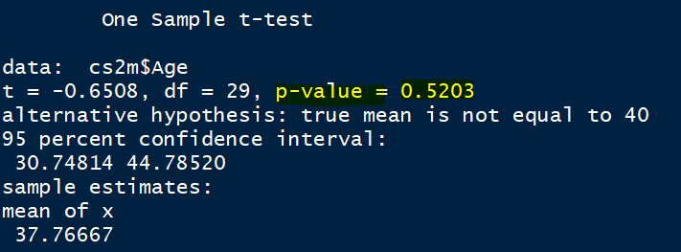

 | Hypothesis Testing |  |  |  |  | Age --> cs2m |  | 20
 |  |  |  |  |  | Ho: mu = 40 |  | 20 queries ---->
 | One Sample T Test |  |  |  |  | Ha: mu is not equal to 40
 |  |  |  |  |  | conf level = 95%
 |  |  |  |  |  | alpha = 5%
 |  |  |  |  |  | if p_value is <= 0.05 REJECT
thank God |  |  |  |  |  |  | ACCPTS
thank God
thank God
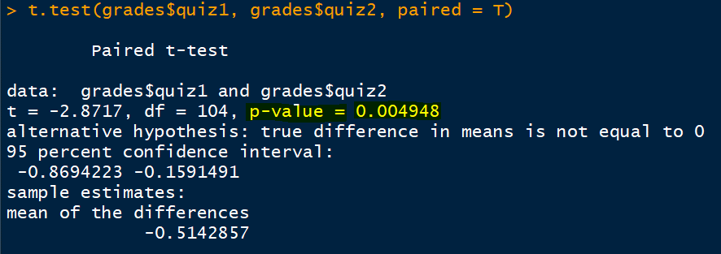
 | Pair Sample Test

 |  | before | after | R before 0-10; after five days 0-10

 | grades Q1, Q2, Q3, Q4, Q5 |  | Ho: Q1 and Q2 are same
 | Q1 Q2 |  | REJECTED
 | Q1 Q3
 | Q4 Q5

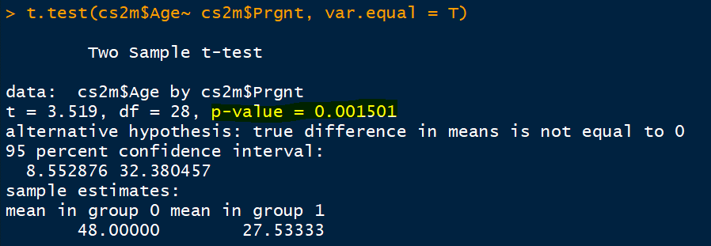
 | Independent Sample T Test
 |  |  |  | prgnt_0 | prgnt_1
 | cs2m Age …..Prgnt |  |  | meena | dolly
 |  |  |  | teena | asha
 |  |  |  | heena | meera
 |  |  |  | radha
 |  |  |  | Ho: mean age P_0 and P_1 same
 |  |  |  |  |  | Rej

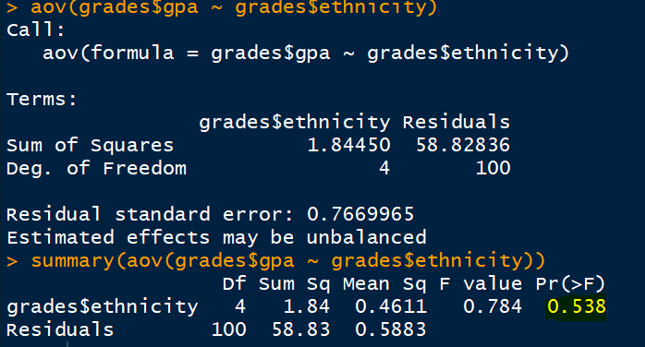
 |  |  |  |  |  |  | 48 |  | 28
 | No of levels more ? |  |  |  |  |  | TWO LEVELS =====Prgnt --> Not Prgnt/Prgnt
 | One Way ANOVA
 |  |  | ethnicity
 | gpa ---> across 5 levels of ethnicity ?
 | age ----> across 2 levels of pregnency
 | Indp Sample T Test |  | Prgnt

 | Ho: gpa across ethinicty is same
 |  |  | ACCEPT
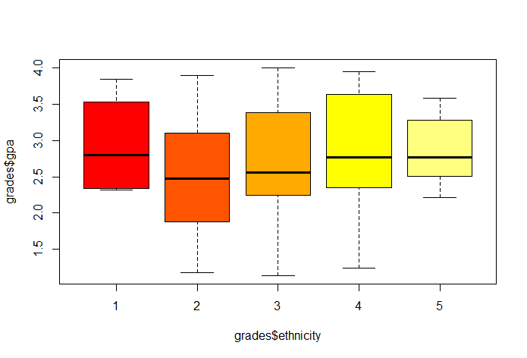

 | catg catg ….association? Chi Square test
 | cs2m Prgnt DrugR
 | Ho: There is NO association between Prgnt & Drug R
 |  |  | ACCEPT

5 july 20
 |  | Prediction |  |  | IV/prdctr | Sivpriya | marks RV
 |  | Time | Population |  | 1 | 10 | 93 |  |  | 77 | 79
 |  |  |  |  | 2 | 11 | 79
 |  |  |  |  | 3 | 12 | 87
 |  |  |  |  | 4 | 1 engg | 81
 |  |  |  |  | 5 | 2 engg | 85
 |  |  |  |  | 6 | 3 engg | 87
 |  |  |  |  | 7 | 4 engg | 91
 |  |  |  |  | 8 | 1 sem | 77
 |  |  |  |  | 9 | 2 sem | 79 | Give highest importance (wt)
 |  |  |  |  |  | 3 sem | ?? | 80

 |  |  |  |  |  | avi | 80 | avg of all
 |  |  |  |  |  | yuv | 76 | sem1 2
 |  |  |  |  |  | rupa | 81 | trend..engg---sem2
 |  |  |  |  |  | smita | 80-85 | avg engg
 |  | next tspan | ?? |  |  | abhi | 88 | all marks avg
 |  |  |  |  |  | sri | 77-80 | trend..engg---sem2
 |  |  |  |  |  |  |  |  |  |  | models -----simple to complex
 |  |  |  |  | Trend ------------------>direction----> upside, downside |  |  |  |  |  |  |  | RMSE |  |  |  | Histogram of errors ----> approx normal
 |  |  |  |  | seasonality---> |  |  |  |  |  |  |  | MSE
 |  |  |  |  | cycle ----> boom/recession 4-10 years |  |  |  |  |  |  |  | MAPE Mean Average Percentage Error
 |  |  |  | Boss | irregular fluctuations ----> sound wave
MWtdAvg | 79 | 77 | 91 |  | Holt Winter's Smoothening |  |  | 1 | Moving Average |  | 4,5
wts | 3 | 2 | 1 |  | alpha | no trend |  | 2 | Wtd MA |  | 4,5 |  | 3, 4 |  |  | Not stationary |  | Stationary
wt*obs | 237 | 154 | 91 |  | beta | seas |  | 3 | Exp smootheing |  | 4,5 |  |  |  |  | 23 |  | 1 diff | 2 diff | 3 diff | 4 diff
sum | 482 |  |  |  | gamma | cyclic |  |  | seasonalty, cycle |  |  |  |  |  |  | 25 |  | 2
wtd avg | 80.333333333 |  |  |  |  |  |  | 4 | Regression |  | 1 |  |  |  |  | 27 |  | 2 | 4
plain avg | 82.333333333 |  |  |  |  |  | Pred | 5 | Auto Regression |  | 1, 2, 3, 4, 5, |  |  |  |  | 31 |  | 4 | 6 | 1.3333333333
 |  |  |  |  |  | RV | 1 lag | 6 | ARIMA [Auto Regressive Integrated MA] |  |  |  | TS should be stationary |  |  | 21 |  | -10 | -6
 | Gaurav ---Fuzzy Logic 10 mnt---1 hrs |  |  |  |  | 93 |  | 93 |  |  |  |  | Ho: stationarity |  |  | 41 |  | 20 | 10
 |  |  |  |  |  | 79 | 93 | 79 |  | arch |  |  | Ho: auro correlation |  |  | 16 |  | -25 | -5 | 0.66666666667
 | 3 |  |  |  |  | 87 | 79 | 87 |  | garch |  |  |  |  |  | 38 |  | 22 | -3
 | 2 | significant ac among lags |  |  |  | 81 | 87 | 81 |  | e arch
 | 2 | pacf |  |  |  | 85 | 81 | 85 |  | h arch
 | 2 | hist |  |  |  | 87 | 85 | 87 |  | g arch
 | 2 | multipy additive |  |  |  | 91 | 87 | 91
 | 2 | seasonality index |  |  |  | 77 | 91 | 77
 | 3 | alpha beta gamma |  |  |  | 79 | 77 | 79
 | salay |  |  |  |  |  | 79
 | 10 00 000 |  |  |  |  | 1
 | 10k | prev*rate |  |  | ACF | -0.28571428571
 | 10k |  |  |  |  | PACF
 | 10k |  |  |  |  | intercept/constant = 0
 | 10k |  |  |  |  | regre coeff = pacf
 | add | mult

 | 273*5 |  | sp @ Maruti |  |  |  |  | SUMMARY OUTPUT
 |  |  | 1
 |  |  | 2 | 1 |  |  |  | Regression Statistics
 |  |  |  | 2 |  |  |  | Multiple R | 0.99554207624
 |  |  |  |  |  |  |  | R Square | 0.99110402557
 |  |  |  |  |  |  |  | Adjusted R Square | 0.84824688272
 |  |  |  |  |  |  |  | Standard Error | 8.4071271951
 |  |  |  |  |  |  |  | Observations | 8
 |  |  | 1200
 |  |  |  | 1200 |  |  |  | ANOVA
 |  |  |  |  |  |  |  |  | df | SS | MS | F | Significance F
 |  |  |  | high correl |  |  |  | Regression | 1 | 55121.241486 | 55121.241486 | 779.87276561 | 1.3947436766E-07
 |  |  |  |  |  |  |  | Residual | 7 | 494.75851372 | 70.679787674
 |  |  |  |  |  |  |  | Total | 8 | 55616

 |  |  |  |  |  |  |  |  | Coefficients | Standard Error | t Stat | P-value | Lower 95% | Upper 95% | Lower 95.0% | Upper 95.0%
 |  |  |  |  |  |  |  | Intercept | 0 | #N/A | #N/A | #N/A | #N/A | #N/A | #N/A | #N/A
 |  |  |  |  |  |  |  | X Variable 1 | 0.97466565559 | 0.034901475357 | 27.926202134 | 1.939177195E-08 | 0.89213678054 | 1.0571945306 | 0.89213678054 | 1.0571945306
 |  |  |  |  |  |  |  |  | pacf
 |  |  |  |  | S vs INR
 |  |  | 2000 - 2018

 |  | 1 | lakers | $ vs China
 |  | 2 | miners | Sensex
 |  | 3 | dsaints | GBP/euro vs China
 |  | 4 | riders | crude
 |  | 5 | surfers | gold

4 july 20
 |  |  |  |  |  |  |  |  |  |  | ac | ec | ac scaled | ec scaled | ac norm | ec norm
 |  |  |  |  |  |  |  |  |  | 1 | 80 | 10 | 0.48231511254 | 0.80459770115 | 0.71428571429 | 1 |  | Income | spending | age
 |  |  |  |  |  |  |  |  |  | 2 | 90 | 10 | 1.1254019293 | 0.80459770115 | 1 | 1 | 1 | 1200000 | 600000 | 25
 |  |  |  |  |  |  |  |  |  | 3 | 55 | 1 | -1.1254019293 | -1.2643678161 | 0 | 0 | 2 | 1800000 | 900000 | 27
 |  |  |  |  |  |  |  |  |  | 4 | 65 | 5 | -0.48231511254 | -0.34482758621 | 0.28571428571 | 0.44444444444
 |  |  |  |  |  |  |  |  |  | avg | 72.5 | 6.5 | S C A L I N G |  | N O R M A L I S I N G
 |  |  |  |  |  |  |  |  |  | sd | 15.55 | 4.35

 |  |  |  |  |  |  |  |  |  | 50 | 85 | 7 |  |  |  |  | n | 3600000 | 19

 |  |  |  |  |  |  |  |  |  |  |  |  |  |  |  |  |  | (x-average)/sd
 |  |  |  |  |  |  |  |  |  |  |  |  |  |  |  |  |  | (x-min)/range[max-min]

 |  |  |  |  |  | Clustering
 |  |  |  |  |  | 8th class | criteria/parameter
 |  |  | Natural Groups |  |  | 50 | academic capability |  | report card %
 |  |  |  |  |  |  | extra curr activity |  | 2020-10-01
 |  |  |  |  |  |  | social sensetising
 |  |  |  |  |  | 1
 |  |  |  |  |  | 50 | ram
 |  |  |  |  |  |  | sham
 |  |  |  |  |  |  | geeta

 |  |  | Euclidean Distance |  |  |  | x | y | z
 |  |  |  |  |  |  | SK | RR | JA | SALK
 |  |  |  |  |  | AS | 9 | 4 | 8
 |  |  |  |  |  | GL | 7 | 10 | 10
 |  |  |  |  |  | DS | 7 | 10 | 5
 |  |  |  |  |  | SR
 |  |  |  |  |  | sk-rr | 6.5574385243 |  | 10
 |  | sqrt[(9-4)^2 + (7-10)^2 + (7-10)^2] |  |  |  | sk-ja | 3.7416573868 |  | GL |  |  | (4,10) |  | (8,10)
 |  |  |  |  |  | ja-rr | 6.4031242374
 |  |  | SSI |  |  |  |  |  |  |  |  |  |  |  | (9,7)
 |  | Age | Spending | Saving | Income
 | 1 |  | 5 | 2 | 12
 |  |  | Avg |  |  | Dimesionality Reduction
 |  |  | 12….Surrogate Variable |  |  | PCA
 |  |  | Median |  |  | Principal Component Analysis
 |  |  | sqrt(mean)
 |  |  | sqrt(median)
 |  |  | log(mean)
 |  |  | 12
50 | Plan Org | Age | Spending | Saving | Income | 100% |  |  |  |  |  |  |  |  |  | 10 | AS
 | Plan B | Age | SSI | engineering done with his body |  |  | ? % | Man ---accident ----> one leg broken ----> steel rod ----> function normaly
 |  | 55 | 15 |  |  |  | 70% | before accident |  | 100%
 |  | dim1 | dim2 |  |  |  |  | after accident |  | 80% | engineering done with his body

*
 | 50
 | max c | 50 |  |  |  |  |  |  |  | wss | sum(d^2)]
 | min c | 1 |  |  |  |  |  |  |  |  |  |  |  |  |  |  |  |  | 1 | arbitrarily 2 centroids |  |  | d
 | how c | ? |  |  |  |  |  |  | 1 | 100 |  |  |  |  |  |  |  |  | 2 | dist calculation |  |  | 25 | 25
 |  |  |  |  |  |  |  |  | 2 | 76 |  |  |  |  |  |  |  |  | 3 | allocation of data points to |  |  | 25.231 | 25.232
 |  | avgY |  |  |  |  |  |  | 3 | 55 |  |  |  |  |  |  |  |  |  | centroids
c
 |  |  |  |  |  |  |  |  | 4 | 45 |  |  |  |  |  |  |  |  | 4 | find center of blue cluster
 |  |  |  |  |  |  |  |  | 5 | 40 |  |  |  |  |  |  |  |  | 5 | move red star to that center(4)
 |  |  |  |  |  |  |  |  | 6 | 38 |  |  |  |  |  |  |  |  | 6 | find center of red cluster
c
*
 |  |  |  |  |  |  |  |  | 7 | 37 |  |  |  |  |  |  |  |  | 7 | move black star to that center(6)
 |  |  |  |  |  |  |  |  | 8 | 35 |  |  |  |  |  |  |  |  | 8 | repeat 2-7 till allocation is NOT CHANGING
*
 |  |  |  |  |  |  |  |  | 9 | 32 |  |  |  |  |  |  |  |  | 9 | blue cluster wss
 |  |  |  |  |  |  |  |  | 10 | 30 |  | avgY |  |  |  |  |  |  | 10 | red cluster wss |  |  | twss
 |  |  |  |  |  |  |  |  |  |  |  |  |  |  |  |  |  |  | 11 | add 9 & 10 | twss | 1 | 80
 |  |  |  |  | 4, 4,25, 4.35, …...... |  |  |  |  |  |  |  |  |  |  |  |  |  | 12 | (1-11) 25 times |  | 2 | 76
 |  |  |  |  | avg |  |  |  |  |  |  |  |  |  |  |  |  |  |  |  |  | 3 | 81
 |  |  |  |  |  |  |  |  |  |  |  |  |  |  |  |  |  |  |  |  |  | 4 | 85

 |  |  |  |  |  |  |  |  |  |  |  |  |  |  |  |  |  |  |  |  |  | 25 | 100

 |  |  |  |  |  |  |  |  |  |  |  |  |  |  | 4, 4,25, 4.35, …......
 |  |  |  |  |  |  |  |  |  |  |  |  |  |  | avg

skew kurt sd z crit t crit
 |  |  |  |  |  |  | Age | skew |  | sd |  |  | kurt
 |  |  |  |  |  |  | 20 | -187.04281443 |  | 315.7729 |  |  | 3323.7508125
 |  |  |  |  |  |  | 16 | -343.91730777 |  | 473.9329 |  |  | 7487.0797901
 |  |  |  |  |  |  | 18 | -257.5720611 |  | 390.8529 |  |  | 5092.1996479
 |  |  |  |  |  |  | 25 | -69.414697767 |  | 163.0729 |  |  | 886.42569048
 |  |  |  |  |  |  | 36 | -0.1848411 |  | 3.1329 |  |  | 0.327168747
 |  |  |  |  |  |  | 56 | 201.94762557 |  | 332.3329 |  |  | 3681.5052141
50% |  |  |  |  |  |  | 59 | 318.95449557 |  | 450.7129 |  |  | 6771.4039409
 |  | sd/sqrt(n) |  |  |  |  | 45 | 12.5977689 |  | 52.2729 |  |  | 91.081869147
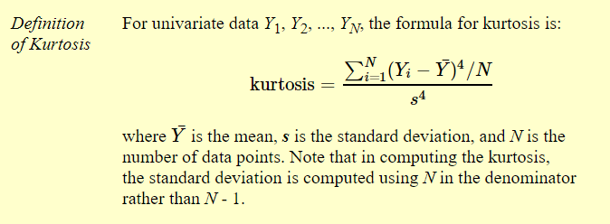
 |  | 18.8/sqrt(30) |  |  |  |  | 40 | 0.36965223333 |  | 4.9729 |  |  | 0.82432448033
 |  |  |  |  |  |  | 20 | -187.04281443 |  | 315.7729 |  |  | 3323.7508125
 |  |  |  |  |  |  | 18 | -257.5720611 |  | 390.8529 |  |  | 5092.1996479
 |  |  |  |  |  |  | 25 | -69.414697767 |  | 163.0729 |  |  | 886.42569048
 |  |  |  |  |  |  | 30 | -15.6365811 |  | 60.3729 |  |  | 121.49623515
 |  |  |  |  |  |  | 28 | -31.085827767 |  | 95.4529 |  |  | 303.70853728
 |  |  |  |  |  |  | 21 | -157.2091911 |  | 281.2329 |  |  | 2636.3981347
 |  |  |  |  |  |  | 19 | -220.43043777 |  | 352.3129 |  |  | 4137.4793169
 |  |  |  |  |  |  | 18 | -257.5720611 |  | 390.8529 |  |  | 5092.1996479
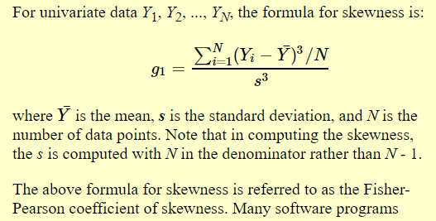
z crit @ 95% = 1.96 |  |  |  |  |  |  | 30 | -15.6365811 |  | 60.3729 |  |  | 121.49623515
95% |  |  |  |  |  |  | 29 | -22.484204433 |  | 76.9129 |  |  | 197.18647288
55 - 60 |  |  |  |  |  |  | 30 | -15.6365811 |  | 60.3729 |  |  | 121.49623515
 |  |  |  |  |  |  | 35 | -0.70846443333 |  | 7.6729 |  |  | 1.9624464803
 |  |  |  |  |  |  | 38 | 0.00040556666667 |  | 0.0529 |  |  | 9.3280333333E-05
 |  |  |  |  |  |  | 32 | -6.4033344333 |  | 33.2929 |  |  | 36.94723968
 |  |  |  |  |  |  | 40 | 0.36965223333 |  | 4.9729 |  |  | 0.82432448033
 |  |  |  |  |  |  | 65 | 673.01023557 |  | 741.4729 |  |  | 18326.068714
 |  |  |  |  |  |  | 72 | 1336.9015989 |  | 1171.6929 |  |  | 45762.14173
 |  |  |  |  |  |  | 56 | 201.94762557 |  | 332.3329 |  |  | 3681.5052141
 | Smple average/mean = 37.77 |  |  |  |  |  | 58 | 275.97287223 |  | 409.2529 |  |  | 5582.9312053
 | Population mean age? |  |  |  |  |  | 81 | 2692.9882089 |  | 1868.8329 |  |  | 116417.88027
 |  | rahul | 37.77 |  |  |  | 73 | 1457.5272222 |  | 1241.1529 |  |  | 51348.684039
 |  | kris | 34.34 |  |  |  |  | 5057.6228037 | 0.76115462188 | 10245.367 |  |  | 290527.3807 | 2.3257105964
 |  | saurabh | 34.33 |  |  |  |  |  |  | 341.51223333 | 353.28851724 |  | =3-2.326 | 0.67428940361
 |  | krish | 37.77 |  |  |  |  |  |  | 18.480049603 | 18.795970771 |  |  | 2.4910046502
3
 |  |  | 37.77 |  |  |  |  |  |  | n=30 | n=29 |  |  | 0.50899534975
 |  | sudheer | 34.34 |  |  |  |  |  |  | R is considering (n-1) for s
 |  | nisarg | 37.948 |  |  |  |  |  |  |  |  |  |  |  |  | 3 pm surprise QUIZ |  | 50,MCA, 3 Pm, 15,
 | lalit | nikhil | 34.34 |  |  |  |  |  |  |  |  |  |  |  |  | going for taking EXAM

 | Mean (37.77) +,-[SE of mean(3.43)*z critical] |  |  |  |  |  |  |  |  |  | Flatter | Platykurtic |  |  |  | 1 pm CALL
 | UB = | 44.49 |  |  |  |  |  |  |  |  | Peaked | Leptokurtic |  |  |  | Jackquilene Ferandes ----> blr lockd --->
 | LB = | 31.04 |  |  |  |  |  |  |  |  | kurt = 0 | Mesoketic |  |  |  | ? JF

 |  | standardized |  |  |  |  |  |  |  |  |  |  |  |  |  | ESTIMATE ----volatile situation----POINT ESTIMATE
 |  |  |  |  |  |  |  |  |  |  | as per 101 of Step by Step SPSS
 | 21 | 0.56568542495 |  |  |  |  |  |  |  |  | by Darren George & Paul Mallery,
 | 23 | 0.75424723327 |  |  |  |  |  |  |  |  | if skew & kurt <= 2 then
 | 24 | 0.84852813742 |  |  |  |  |  |  |  |  | you can assume that
 | 2 | -1.2256517541 |  |  |  |  |  |  |  |  | your data is approximately NORMAL
 | 5 | -0.94280904158
sum | 75 |  |  |  |  |  |  |  |  |  | Normality BIG ISSUE ------> Researchers persepctive
sum/5 | 15 |  |  |  |  |  |  |  |  |  | Linear Regression, Multi Variate Discriminat Analysis ---HARD CORE ECOMETRICS/STATISTICAL MODELS
sd | 10.606601718
 |  |  |  |  |  |  |  |  |  |  | Data Scientists
 |  |  |  |  |  |  |  |  |  |  | They use more those models which are not sensitive towards normality
 |  |  |  | always always always always always always always |  |  |  |  |  |  | Neural Network , Decision Trees

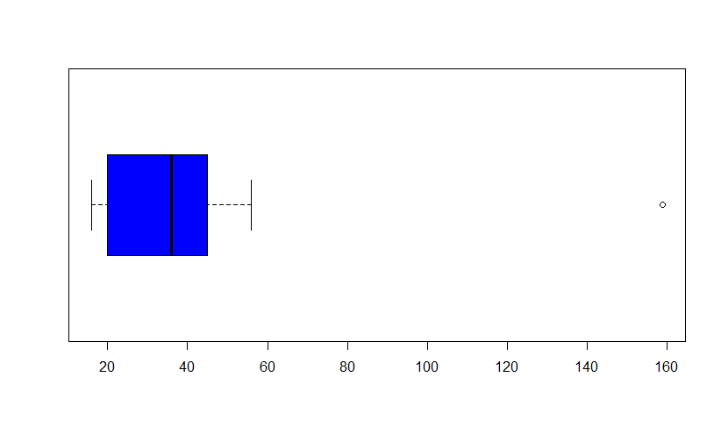
any data point above (more than) Q3 + 1.5 *IQR
Q3-Q1
 |  |  | ext | 16 | OL
 |  |  |  | 18
 |  |  |  | 20
 |  |  |  | 25
 |  |  |  | 36
 |  |  |  | 40
 |  |  |  | 45
 |  |  |  | 64
 |  |  | ext | 59 | OL

 |  | BP--->cs2m describe ---> His----Boxplot
 |  | 50 words |  |  |  | grades----> gpa |  |  |  |  |  | good | bad
 |  |  |  |  |  | mtcars ------> mpg
 |  | Chlstr |  |  |  |  |  |  |  |  |  | Z crit | Z crit
 |  |  |  |  |  |  |  |  |  |  |  | t crit |  |  |  |  | spss
 |  |  |  |  |  |  |  |  |  |  |  |  |  |  |  |  | mintab
 |  |  |  |  |  |  |  |  |  |  | person---europe----in love with ----statistics |  |  |  |  |  | r
 |  |  |  |  |  |  |  |  |  |  | manager -----> Beer manufacturig |  |  |  |  |  | python
 |  |  |  |  |  |  |  |  |  |  | articles |  |  |  |  |  | sas
 |  |  |  |  |  |  |  |  |  |  | Boss ---> Unhappy
 |  |  |  |  |  |  |  |  |  |  | pseudo name ----> STUDENT

 |  |  |  |  | Almost like Z distr/shape, 2 diff
 | 0.521 | 500 |  |  | 1 | flatter bump
 | 0.523 |  |  |  | 2 | thicker tails
 |  |  |  |  | t dist == smaller data sets 30
 |  |  |  |  |  |  | 31 |  |  |  | complex scenario |  | exact answer ….?
 |  |  |  |  |  |  |  |  |  |  | Big Data
 | pcm engg bck -----> need to be cautious |  |  |  |  |  |  |  |  |  | EXACTNESS
 | my director , phd stat….intn fame faculty of Data Mining …IIM …studnets [99% pcm] |  |  |  |  |  |  |  |  |  | design jet turbine blades BHEL ----thickness +, - 10 micron ; 1 micron = 1000 of mm
 | perplexed …..earth ----oil/coal/diamonds mining |  |  |  |  |  |  |  |  |  |  |  |  |  |  | 31 - 45 | 37.77 - 37.77789
Hyderbad
 | 60 rows, names of result
 |  |  |  |  |  |  |  |  |  |  |  |  |  |  | 34 | 36 | 44

 |  |  |  | Bad | Good teacher----> try to find out a solution /pallavi
 |  |  |  |  | shows the way
 |  |  |  | Book …..........

 | Book on statistics |  |  |  | @ 95%
 |  |  |  | n | Z crit | t crit | =TINV(0.05,29)
 | It is about large nos |  |  | 30 | 1.96 | 2.0452296421 | 2.045 | 2.0452296421
 | approximation |  |  | 100 | 1.96 | 1.9842169516
 |  |  |  | 200 | 1.96 | 1.9719565443
 |  |  |  | 500 | 1.96 | 1.964729
 |  |  |  | 1000 | 1.96 | 1.962341
 |  |  |  | 2000 | 1.96 | 1.961151
 |  |  |  | 5000 | 1.96 | 1.960439
 |  |  |  | 100000 | 1.96

 | V1 | V2
 | AGE | GPA
 | BP | AGE
 | CHLSTR | BP
 | MPG | CHLSTR
 | GPA | MPG

 |  |  |  | Driven |  |  |  |  |  |  |  |  |  | Mumbai
 |  |  |  | Dep Va |  |  |  |  |  |  |  |  |  | Rain | Sales of U
 |  |  |  | Response V |  |  |  |  |  |  |  |  | day1 | Driver | Driven
 |  |  |  |  |  |  |  |  |  |  |  |  | day2

 |  |  |  |  |  |  |  |  | Driver |  |  |  | day 1000
 |  |  |  |  |  |  |  |  | Ind Va
 |  |  |  |  |  |  |  |  | Predictor

0

 |  |  |  | -1 |  |  |  |  |  |  |  |  |  |  | 1
 |  |  |  |  | one incraeses, otherone increases |  |  |  |  |  | one incraeses, otherone increases

 |  |  |  |  | V1 = Giving gifts,padosan |  |  |  |  |  | V1 = Giving gifts WIFE
 |  |  |  |  | V1 = Happiness Index of your wife |  |  |  |  |  | V1 = Happiness Index of your wife
 |  |  |  |  | strength of the connect [1, +,- ; 0]
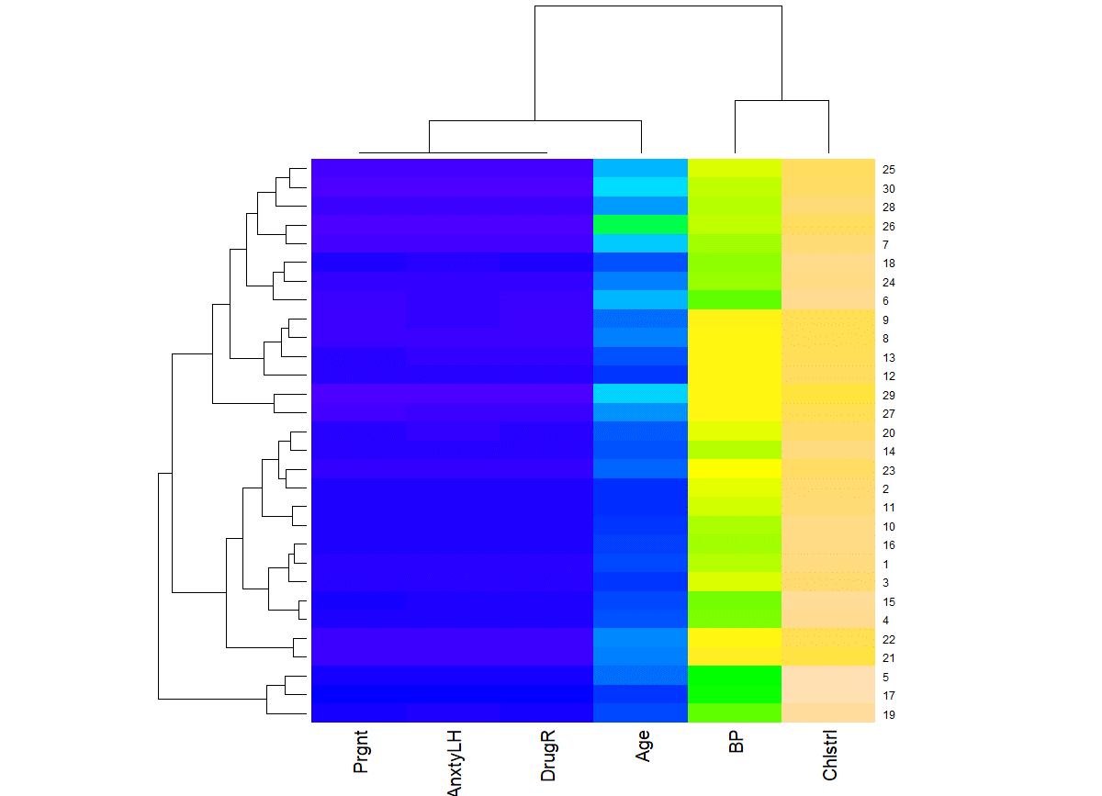
 | 1 | ppt Fancy plots1
 | 2 | ggplot2
 | 3 | mtcars ---- 2 datasets ; 1 data set mpg, hp, wt, disp, drat
 | 4 | 2; data set rest of all
 |  |  | Bring Hidden and Intersting insights
 |  |  | slides = 10
 |  |  | mail me
 | 5 | Complete R Markdown

22 june
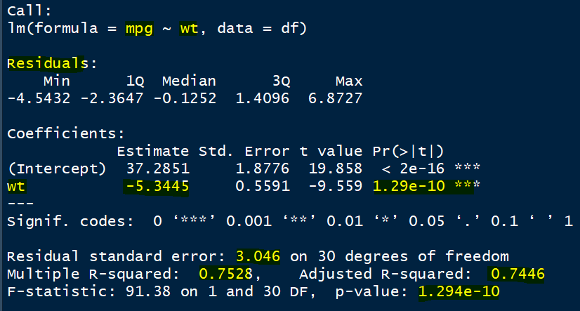
 |  |  |  |  |  |  |  |  |  | mpg |  |  |  | Ho: Slope is not good
 |  |  |  |  |  |  |  |  |  |  |  |  |  | p_value | if less than 0.05, reject
 |  |  |  |  |  |  | R Square | 0.7528
 |  |  |  |  |  |  | r ? | 0.7446

 |  |  |  |  |  |  | r means coef of correlation

 |  |  |  |  |  |  | it has been observed that rsquar
 |  |  |  |  |  |  | values is artificially increased .
 |  |  |  |  |  |  | (rsquare value is slightly higher |  |  |  |  |  |  |  |  | Bad
 |  |  |  |  |  |  | as compared to what it
 |  |  |  |  |  |  | should be) |  |  |  |  |  |  |  | Good | ??
 |  |  |  |  |  |  | adjustment wrt no of obsrvns
 |  |  |  |  |  |  | no of predictors

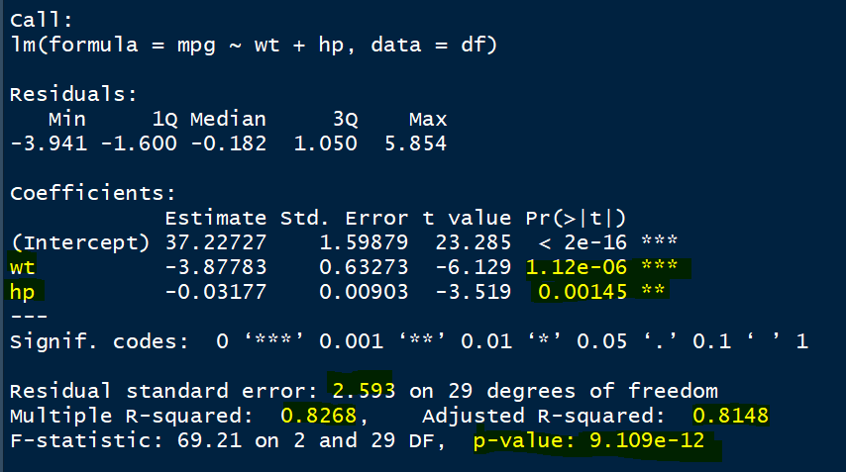
 |  |  |  |  |  |  |  |  |  |  |  |  |  |  |  |  |  | wt

 |  |  | 1.29/10000000000 |  |  |  |  |  |  | 1 unit change in wt ---> 5.34 units of change in mpg
 |  |  | 0.000000000129 ===== 0
 |  |  |  |  |  |  |  |  |  | Assumptions:
 |  |  |  |  |  |  |  |  |  | 1. Data should be approx normally distributed |  |  |  |  | hist of residuals …appr normal or not
 |  |  |  |  |  |  |  |  |  | 2. Linearity
 |  |  |  |  |  |  |  |  |  | 3. MC
 |  |  |  |  |  |  |  |  |  | 4. Constant Error Variance

 |  |  |  |  |  |  |  |  | Prediction |  |  | mpg = constant + reg coeff(wt)*wt + reg coeff (hp)*hp
 |  |  |  |  |  |  |  |  | mpg ? |  |  | 37.22 + (-3.87)*2.21 + (-0.031)*250
 |  |  |  |  |  |  |  |  | wt = 2.21
 |  |  |  |  |  |  |  |  | hp = 250 |  | mpg = | 20.72 | rohan | 65 | 100
 |  |  |  |  |  |  |  |  | taken for example |  |  | 20.9 | huma | 80 | 10 mnts 40 mcq
 |  |  |  |  |  |  |  |  |  |  |  | 20.91 | vinay | 95
 |  |  |  |  |  |  |  |  |  |  |  |  |  | 9.45 am receive----? KK
 |  |  |  |  |  |  | 20.72 +, - RSE*critical value of t,Z |  |  |  |  |  |  |  |  | Future is uncertain
 |  |  |  |  |  |  |  |  | 2.0452296421 | =TINV(0.05,29) |  |  |  |  | estimate [100% perfection]
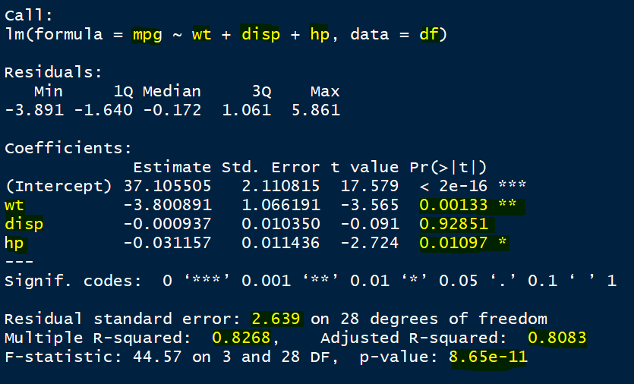
 |  |  |  |  |  |  |  |  |  |  |  |  |  |  | UB LB @ Confidence Level
 |  |  |  |  |  |  |  |  | Z crit Z value |  |  |  |  |  | with 95% CL, the mpg for wt=2.21 & hp = 250,
 |  |  |  |  |  |  |  |  |  |  |  |  |  |  | will lie between 19.8 and 21.02
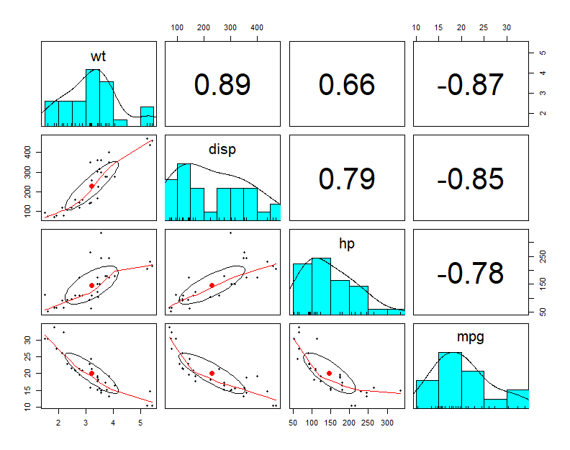

 |  |  | Ho: Model is not statisticall good
 |  |  | p val <= 0.05, rej, Happy

Impact , effect

Effects on mpg
wt | 3.8 | wt | wt | 100
disp | 0.0009 | disp | disp | 0.023684210526
hp | 0.03 | hp | hp | 0.78947368421

60
 |  |  |  |  |  |  |  |  |  |  |  |  |  |  |  | If RV = Categorical
 | 78 | wrt this best students how others positioned |  |  |  |  |  |  |  |  |  |  |  |  |  | Logistic Regression
 |  |  |  |  |  |  |  |  |  |  |  |  |  |  |  | Linear Discriminant Analysis
Normalised Effects
 |  |  |  |  |  |  |  |  |  |  |  |  |  |  |  | D Trees
 |  |  |  |  |  |  |  |  |  |  |  |  |  |  |  | Support Vector Machines
 |  |  |  |  |  |  |  |  |  |  |  |  |  |  |  | Neural Nets
 |  |  |  |  |  |  |  |  |  |  |  |  |  |  |  | Nearest Neighbor Classifirs
 |  |  |  |  |  |  |  |  |  |  |  |  |  |  |  | Naïve Bayes Classifiers

 |  |  |  |  |  |  |  |  | Indp | Dv | 1 | lm
 |  |  |  |  |  |  |  |  | temp | svrlty | 2 | look at coefficients
 |  |  |  |  |  |  |  |  | ph |  | 3 | plot, blue and black
 |  |  |  |  |  |  |  |  | ct |  | 4 | statistically ok/significant …p values <= alpha, level of sig, Type I Error
 |  |  |  |  |  |  |  |  | drug

 |  |  |  |  |  |  |  | genotype | phenotype
 |  |  |  |  |  |  |  | cont | cont

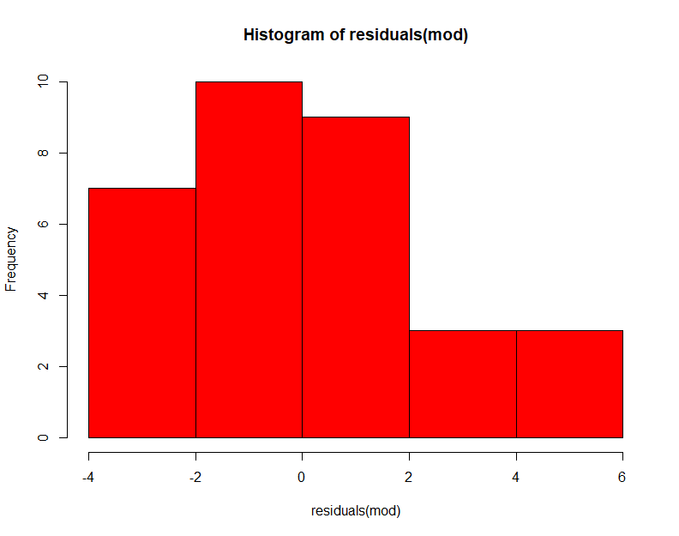

 | Ind V | Dep V |  | SUMMARY OUTPUT
 | 21 | 21
 | 23 | 23 |  | Regression Statistics
 | 20 | 20 |  | Multiple R | 1
 | 25 | 25 |  | R Square | 1
 | 32 | 32 |  | Adjusted R Square | 1
 |  |  |  | Standard Error | 0
 |  |  |  | Observations | 5

 |  |  |  | ANOVA
 |  |  |  |  | df | SS | MS | F | Significance F
 |  |  |  | Regression | 1 | 90.8 | 90.8 | #NUM! | #NUM!
 |  |  |  | Residual | 3 | 0 | 0
 |  |  |  | Total | 4 | 90.8

 |  |  |  |  | Coefficients | Standard Error | t Stat | P-value | Lower 95% | Upper 95% | Lower 95.0% | Upper 95.0%
 |  |  |  | Intercept | 0 | 0 | 65535 | #NUM! | 0 | 0 | 0 | 0
 |  |  |  | Ind V | 1 | 0 | 65535 | #NUM! | 1 | 1 | 1 | 1

 | res /error |  |  |  |  |  | IV | DV |  | SUMMARY OUTPUT
 | Obs-pred |  |  |  |  |  | 21 | 54
 |  |  |  |  |  |  | 23 | 54 |  | Regression Statistics
 |  |  |  |  |  |  | 34 | 65 |  | Multiple R | 0.22782775907
 |  |  |  |  |  |  | 21 | 67 |  | R Square | 0.051905487805
 |  |  | sd , sd^2 = variance |  |  |  | 35 | 54 |  | Adjusted R Square | -0.13771341463
 |  |  |  |  |  |  | 36 | 51 |  | Standard Error | 9.9189274597
 |  |  |  |  |  |  | 38 | 76 |  | Observations | 7

 |  |  |  |  |  |  |  |  |  | ANOVA
 |  |  |  |  |  |  |  |  |  |  | df | SS | MS | F | Significance F
 |  |  | var |  |  |  |  |  |  | Regression | 1 | 26.931533101 | 26.931533101 | 0.27373583085 | 0.62318674618
 |  |  |  |  |  |  |  |  |  | Residual | 5 | 491.92560976 | 98.385121951
 |  |  |  |  |  |  |  |  |  | Total | 6 | 518.85714286

 |  |  |  |  |  |  |  |  |  |  | Coefficients | Standard Error | t Stat | P-value | Lower 95% | Upper 95% | Lower 95.0% | Upper 95.0%
 |  |  |  |  |  |  |  |  |  | Intercept | 51.917073171 | 16.162935827 | 3.2121066201 | 0.023673043594 | 10.368923923 | 93.465222418 | 10.368923923 | 93.465222418
 |  |  | var |  |  |  |  |  |  | IV | 0.27682926829 | 0.52911025702 | 0.52319769768 | 0.62318674618 | -1.0832919475 | 1.636950484 | -1.0832919475 | 1.636950484

 |  |  |  |  |  |  |  |  |  | RESIDUAL OUTPUT

 |  |  |  |  |  |  |  |  |  | Observation | Predicted DV | Residuals
 |  |  |  |  |  |  |  |  |  | 1 | 57.730487805 | -3.7304878049
 |  |  |  |  |  |  |  |  |  | 2 | 58.284146341 | -4.2841463415
 |  |  |  |  |  |  |  |  |  | 3 | 61.329268293 | 3.6707317073
 |  |  |  |  |  |  |  |  |  | 4 | 57.730487805 | 9.2695121951
 |  |  |  |  |  |  |  |  |  | 5 | 61.606097561 | -7.606097561
 |  |  |  |  |  |  |  |  |  | 6 | 61.882926829 | -10.882926829
 |  |  |  |  |  |  |  |  |  | 7 | 62.436585366 | 13.563414634

20JUNE
Pune
 |  |  |  |  |  |  |  |  |  | One Sample T Test
 |  |  |  |  |  | Hypothesis Testing |  |  |  | Age |  |  | know yr problem |  |  | anxity, worryin? | Problem
 |  |  |  |  |  |  |  |  |  | 20 |  | ?? | Ho: mu = 40 ; |  | Ha: mu not equal to 40 |  | Solun
 |  |  |  |  |  |  |  |  |  | 16 |  | Hypothesis Ho [H zero, H not, null hypothesis]; H alternate hypothesis
 |  |  |  |  |  |  |  |  |  | 18 | 1 | statement | assumption, prediction, suppose, possibility, may be, uncertaints, belief, trust
 |  |  |  |  |  |  |  |  |  | 25 |  | why sun is not getting raised from north?
 |  |  |  |  |  |  |  |  |  | 36 |  | number |  |  |  |  |  | B, SB, IQ | ?
 |  |  |  |  |  |  |  |  |  | 56 |  | UNBIASED/IMPARTIAL |  |  |  |  |  | KK | KA
 |  |  |  |  |  |  |  |  |  | 59 |  | KK = KA | Ha: KK is NOT EQUAL to KA |  |  |  |  | A) KK > KA
? | mean age of Pune Population |  |  |  |  |  |  |  |  | 45 |  | The difference btwn KK and KA on the basis of B, SB, IQ = 0 |  |  |  |  |  | B) KK < KA
 | 40 |  |  |  |  |  |  |  |  | 40 | 2 | CL = 95%, alpha, Level of Significance, |  |  |  |  |  | C) KK = KA
mu is used for population mean |  |  |  |  |  |  |  |  |  | 20 |  | Type I Error = 1-CL; 5%, 0.05…Designed Type I Error
 |  |  |  |  |  |  | 37.77 | 40 |  | 18 | 3 | Data Analysis
 |  |  |  |  |  |  |  |  |  | 25 |  | sample |  |  |  |  | 1
-0.65
 |  |  |  |  |  |  |  |  |  | 30 |  | test_statistics [Type of data, Ho] |  |  |  | -0.65 | 2
 |  |  |  |  |  |  | 3.43 |  |  | 28 | 4 | critical_value_t |  | =TINV() | 2.045 |  | 3
 | (b) |  |  |  |  |  |  |  |  | 21 | 5 | Decision Making |  |  |  |  | 4
0
 |  |  |  |  | 0 |  |  |  |  | 19 | acceptHo | a) if ur hypothesized value falls within CL range, accept Ho |  |  |  |  | 5
 |  |  |  |  |  |  |  |  |  | 18 | accept | b) if ur t_statistics value within +, - t_critcal , accept Ho
 |  |  |  |  |  |  |  |  |  | 30 |  | c) Observed Type I Error, probalility, p_value, significance value
 |  | LB |  |  |  |  |  | UB |  | 29 |  | Decision rule; |  |  |  |  | 100 | 1 lowest, 10 Highest
 |  | -2.045 |  |  |  |  |  | 2.045 |  | 30 | 0.5208084365 | if p_value <= L.O.S., 0.05, REJECT Ho, vice versa |  |  |  |  | 1 | 1 -10 | B
 |  |  |  |  |  |  |  |  |  | 35 | accept Ho |  |  |  |  |  | 2 | 1 - 10 | SB
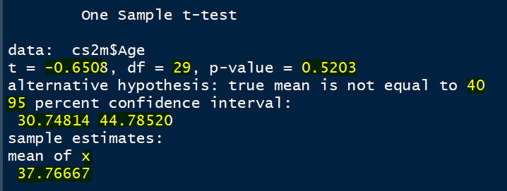
 |  |  |  |  |  |  |  |  |  | 38 |  |  |  |  |  |  | 3 | 1-10 | IQ
40
 | (a) |  |  |  |  |  |  |  |  | 32
 |  |  |  |  |  |  |  |  |  | 40
 |  |  |  |  |  |  |  |  |  | 65
 |  |  |  |  |  |  |  |  |  | 72
 |  | 31 |  |  |  |  |  | 45 |  | 56
 |  | LB |  |  | 37.77 |  |  | UB |  | 58
 |  |  |  |  |  |  |  |  |  | 81
 |  |  |  |  |  |  |  |  |  | 73

 |  |  |  |  |  |  |  |  |  |  |  | Ho: ? 100 |  |  | DSc ---
 |  |  |  |  |  |  |  |  |  | 0 |  | increase CL
 |  |  |  |  |  |  |  |  |  | 100 |  | range increases

 |  |  |  |  |  |  |  | apply
 |  |  |  |  |  |  |  | data set ….mtcars…..ye ye. Ye -----10 slides …5 din mein ….
 |  |  |  |  |  |  |  | ppt------telph

 |  |  | 1 | econ |  |  |  | eff mgnt |  | study | Ho: there is NO association btwn mother's profession and packaging of child
 |  |  |  | no one |  |  |  | time mgnt |  |  | P, g/b | MP w/nw
 |  |  |  | parents --------negleg -----mother |  |  |  | caring |  | 1 | 0 | 0 |  |  | g = 1, b =0; w=1, nw = 0
 |  |  |  |  |  | working lady |  |  |  | 2 | 0 | 1
 |  |  |  |  |  |  |  |  |  | 3 | 1 | 0
 |  |  |  |  |  |  |  |  |  | 4 | 1 | 0

 |  |  |  |  |  |  |  |  |  | 50 | 0 | 0

 |  |  |  |  |  |  |  |  |  |  | MP
 |  |  |  |  |  |  |  |  |  |  | 0 | 1
 |  |  |  |  |  |  |  |  |  | 0 | 23 | 5
 |  |  |  |  |  |  |  |  | P | 1 | 6 | 34 | CONTINGENCY TABLE

 |  |  |  |  |  |  |  |  | Chi square test |  |  | Prgnt
 |  |  |  |  |  |  |  |  | 2 categorical variables |  |  | AnxtyLH
 |  |  |  |  |  |  |  |  |  |  |  | DrugR

 |  |  |  |  |  |  |  |  |  |  |  | section

21 june

Accept
Go home, sleep.
no need to study

 |  |  |  | Ho: impartial/unbiased statement

 |  |  |  | Ho: KK = KA

Rejected
KK is better
KA is better
Pune
 |  |  |  | REJ / ACCEPT
 |  | saurabh | 1 | Rej …......... |  |  |  |  |  | Ho, rejct , cost of error as minimum as possible
 |  | nisargh | 2 | rej….. |  |  |  |  |  | apha
 |  | krish | 3 | accep |  |  |  |  |  | Type Error I
 |  | akshay | 4 | accep |  |  |  |  |  | Designed alpha , Level of Significance
 |  | chiranjib | 5 | rej…..God's rule |  |  |  |  |  |  | maximum permissible Type I Error |  |  |  | Ho: mu = 40
 |  | yenna | 6 | accept |  |  |  |  |  |  | 5%
 |  |  |  |  |  |  |  |  |  |  | Reject Ho, cost <= 5%
 |  |  |  |  |  |  |  | abra | Error Type I |  |  |  | rej Ho if Observed LOS <= 5%
 |  |  |  |  |  |  |  | Rejecting Ho when it is correct
Reality
GOD
 |  |  |  |  | Reject HO | in reality, rejected |  | no error
 |  |  |  |  |  | in reality, accepted |  | Error | cost
 |  |  | 2
 |  |  |  |  |  | compare | consequences

 |  |  |  |  | Accept HO | in reality, Accptd |  | no error
 |  |  |  |  |  | in reality, rejctd |  | Error | cost
 |  |  |  |  |  |  |  | Accepting Ho, when it is incorrect/false
 |  |  |  |  |  |  |  | dabra
 |  |  |  |  |  |  |  | Error Type II

-0.65
 |  | before | after |  | gym | school math |  | walkings
 | r1 |  |  |  |  |  |  |  |  |  |  |  |  |  |  |  | 3.43
 | r2 |  |  |  |  |  |  |  |  |  |  | (b)
0
 | r3 |  |  |  | grades |  |  |  |  |  |  |  |  |  |  | 0
 |  |  |  |  | 5 quizzes
 |  |  |  |  | Q1 - Q2
 |  |  |  |  |  |  |  |  |  |  |  |  | LB |  |  |  |  | UB
 |  |  |  |  |  |  |  |  |  |  |  |  | -2.045 |  |  |  |  | 2.045

40
 | r_n |  |  |  |  | Ho: Q1 = Q2 |  |  |  |  |  | (a)
 |  | 0-10, o=least ptodcty, 10=highest |  |  |  | mu = Q1-Q2 = 0
 |  | office | wfh |  |  |  | Q1 | Q2
 | emp1 |  |  |  |  | S1
 |  |  |  |  |  | S2 |  |  |  |  |  |  | 31 |  |  |  |  | 45
 |  |  |  |  |  | S3 |  |  |  |  |  |  | LB |  |  | 37.77 |  | UB

 | emp_n |  |  |  |  | S_105

 |  |  |  | cs2m Prgnt Age |  |  |  |  | No same respondent
 |  |  |  |  |  |  |  |  | Independent of each other
 |  |  |  | Prgnt_0 | Prgnt_1 |  | Prgnt_0 | Prgnt_1 |  |  |  |  | BP vs Prgnt |  |  |  | stat
 |  |  |  | teenaAGE | dollyAge |  | 16 | 25 |  |  |  |  | p val 0.27 > 0.05, accept |  |  |  | math
 |  |  |  | meenaAGE | sayaliAGE |  | 20 | 27 | Variable of interest = AGE
 |  |  |  | reenaAGE |  |  | 17 |  |  |  |  |  | Mean_BP_prgnt
 |  |  |  |  |  |  |  |  |  |  |  |  | 122.6 |  | 132
 |  |  |  | Ho: Mean Age of those not ptgnt and mean age of those prgnt are same
 |  |  |  |  |  | 48 |  |  | 27 |  |  |  | 0 = not happening of the event
 |  |  |  | p val = 0.001

 |  |  |  |  |  |  |  |  |  |  | subject /cases/row numbers/respondents |  |  |  |  | voi
 |  |  | grades |  |  |  |  |  |  |  | cars |  |  |  |  | tread loss
 |  |  | section | prgnt |  |  |  |  |  |  | front | rear
 |  |  | quiz1 | age |  |  |  |  |  | car1
 |  |  |  |  |  |  |  |  |  | car2

 |  |  |  |  |  |  |  |  |  | car25 |  |  |  | Ho: D = S

city 4
 |  |  |  | sales | 6 , 6 retail stores from 4 cities |  |  |  |  |  |  |  |  | Diya |  | Sarika
 | Ho: sales across 4 cities are same |  |  |  |  |  |  |  |  |  |  |  | 100 | 82 |  | 92
 | Ha: at least one city's sales is different form others

 | One Way ANOVA
city 1

city 3

city 2




 |  |  | Park Royale Scty
 |  |  |  |  |  |  |  |  |  |  |  | Type II Error

Type I Error |  |  |  |  |  |  |  |  |  |  | Accept Ho, when its not correct
Rej Ho, when its correct

 |  |  |  |  |  | New York




 |  |  | Ho: Building is having cases of covid-19 |  |  |  |  |  |  |  |  |  | Ho: Building is having cases of covid-19
 |  |  |  |  |  |  |  |  |  |  |  |  |  | Accepted Ho
 |  |  |  |  |  | Rejected Ho |  |  |  |  |  |  |  | Truth was THERE WERE NO CASES!
 |  |  |  |  |  | Truth was THERE WERE many CASES! |  |  |  |  |  |  |  | Loss?? C O S T

 |  |  |  |  |  | Loss?? ---H U G E !!

